Sheet1


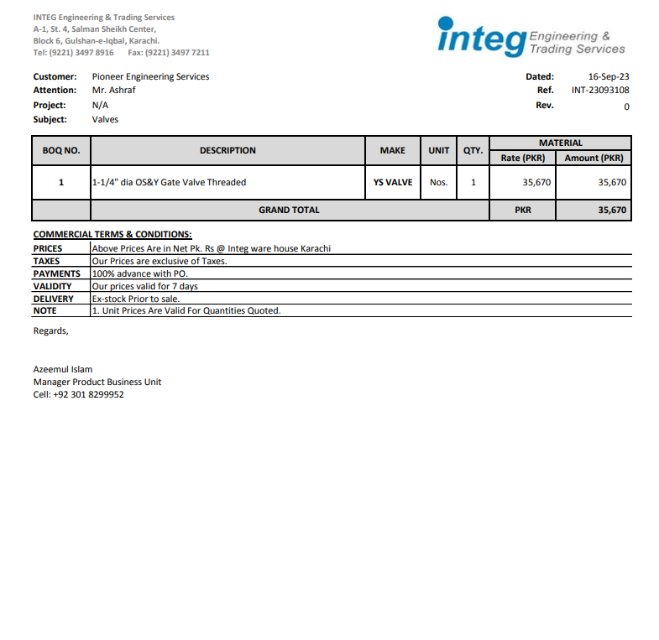

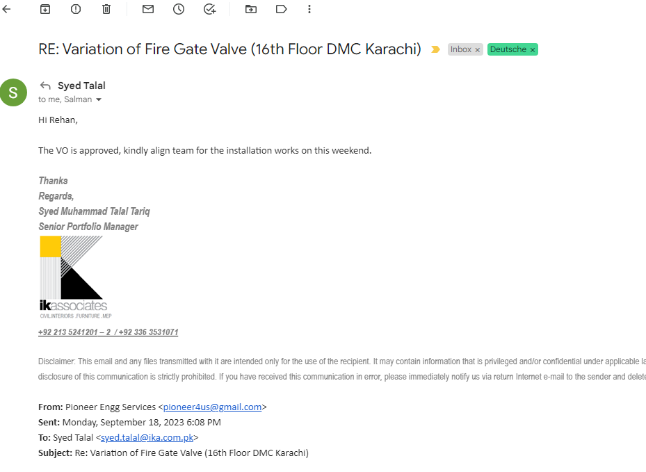

PES/DB/009/09/23 |  |  |  |  |  |  |  | 2023-09-18

Attn: Mr. S. Talal.

Variation order - Deutche Bank Dolmen Mall Clifton Karachi

S. # | Description | Material Rate | Labor Rate | Over Head profit 25% | Tax 7.5% | Unit | Qty | Amount
1 | Supply & installation of Fire Gate Valve 1.25" Dia Make: YS VALVE | 35,670 | 10,000 | 11,418 | 4,282 | No | 1 | 61,369
Total Amount Rs. |  |  |  |  |  |  |  | 61,369

Thanking you,

For PIONEER ENGINEERING SERVICES.

Bilal Habib

